Introduction - INT
Introduction

1. Introduction
2. Usage
3. Change notes

General information
Author |  | Rob van Os
Site |  | https://www.soc-cmm.com/
Contact |  | info@soc-cmm.com
Version |  | 2.3.4, basic version
Date |  | June 27th, 2024
Assessment training |  | https://www.soc-cmm.com/services/training/
Support partners (for 3rd party assessment) |  | https://www.soc-cmm.com/services/support/

Background
The SOC-CMM model is a capability maturity model that can be used to perform a self-assessment of your Security Operations Center (SOC). The model is based on review conducted on literature regarding SOC setup and existing SOC models as well as literature on specific elements within a SOC. The literature analysis was then validated by questioning several Security Operations Centers in different sectors and on different maturity levels to determine which elements were actually in place. The output from the survey, combined with the initial analysis is the basis for this self-assessment. For more information regarding the scientific background and the literature used to create the SOC-CMM self-assessment tool, please refer to the thesis document as available through: https://www.soc-cmm.com/ If you have any questions or comments regarding the contents of this document, please use the above information to contact SOC-CMM.

Purpose and intended audience
The purpose of the SOC-CMM is to gain insight into the strengths and weaknesses of the SOC. This enables the SOC management to make informed decisions about which elements of the SOC require additional attention and/or budget. By regularly assessing the SOC for maturity and capability, progress can be monitored. Besides the primary purpose of performing an assessment of the SOC, the assessment can also be used for extensive discussions about the SOC and can thus provide valuable insights. This tool is intended for use by SOC and security managers, experts within the SOC and SOC consultants.

Navigation
Navigation through this tool is done using the navigation bar at the top of each page. Each of the numbered sections can be clicked to proceed directly to that section. Furthermore, the icons can be used to navigate through sections within a domain and between domains. The icons are as follows:

 | navigate to previous domain |  | navigate to previous section within the domain

 | navigate to index |  | navigate to next section within the domain

 | navigate to next domain |  | navigate directly to results

Assessment Model
The assessment model consists of 5 domains and 25 aspects. All domains are evaluated for maturity (blue), only technology and services are evaluated for both maturity and capability (purple)
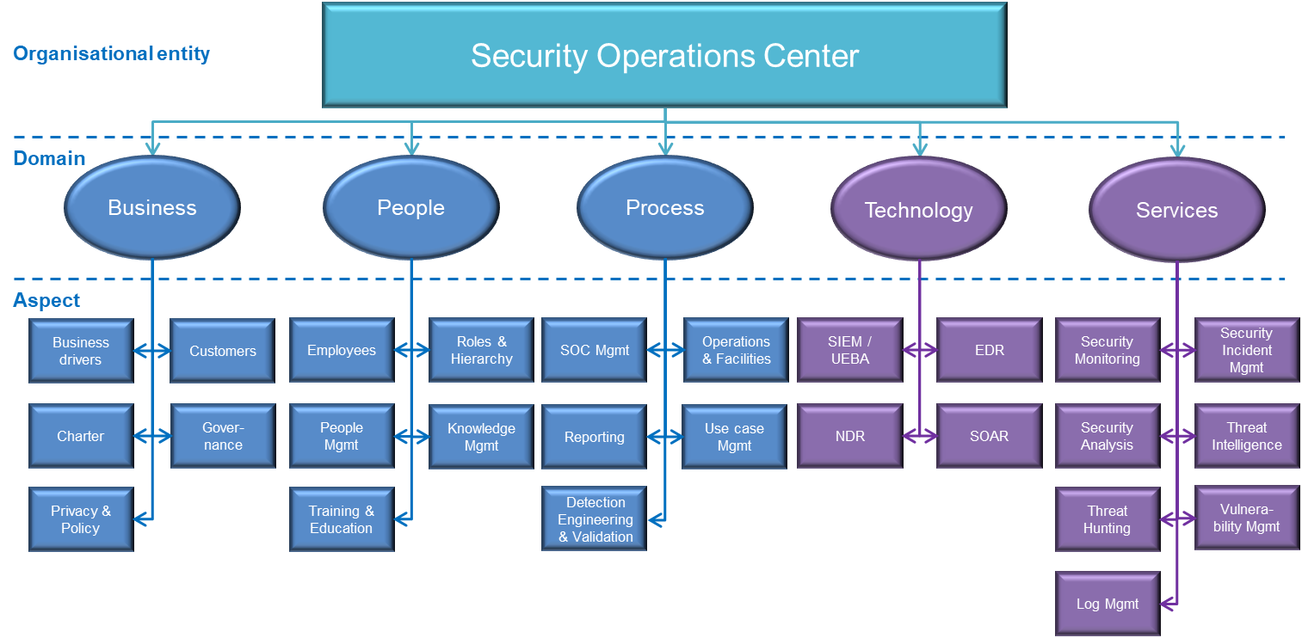

Maturity Levels
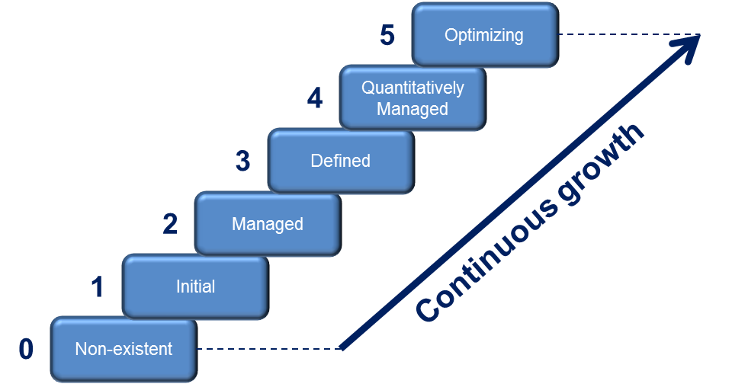 CMMI defines maturity as a means for an organization "to characterize its performance" for a specific entity (here: the SOC). The SOC-CMM calculates a maturity score using 6 maturity levels: - Level 0: non-existent - Level 1: initial - Level 2: managed - Level 3: defined - Level 4: quantitatively managed - Level 5: optimizing These maturity levels are measured across 5 domains: business, people, process, technology and services. The maturity levels as implemented in this tool are not staged with pre-requisites for each level. Instead, every element adds individually to the maturity score: a continuous maturity model.

Capability Levels
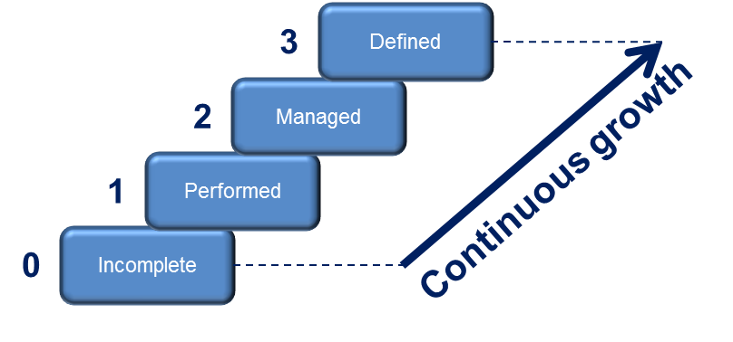 Capabilities are indicators of completeness. In essence, capabilities can support maturity. The SOC-CMM calculates a capability score using 4 capability levels, similar to CMMi: - Level 0: incomplete - Level 1: performed - Level 2: managed - Level 3: defined These capability levels have a strong technical focus and are measured across 2 domains: technology and services. Similar to maturity levels, progress to a higher capability level is continuous. There are no prerequisites for advancing to a higher level, thus the capability growth is continuous as well.

Disclaimer
The SOC-CMM is provided without warranty of any kind. The author of the document cannot assure its accuracy and is not liable for any cost as a result of decisions based on the output of this tool. The usage of this tool does not in any way entitle the user to support or consultancy. By using this tool, you agree to these conditions.

License
Copyright (C) 2024 - SOC-CMM The SOC-CMM advanced version is part of the SOC-CMM. The SOC-CMM assessment tool is free software, released under the CC SA-BY license: https://creativecommons.org/licenses/by-sa/4.0/ You are free to: Share — copy and redistribute the material in any medium or format Adapt — remix, transform, and build upon the material for any purpose, even commercially. Under the following terms: Attribution — You must give appropriate credit, provide a link to the license, and indicate if changes were made. You may do so in any reasonable manner, but not in any way that suggests the licensor endorses you or your use. ShareAlike — If you remix, transform, or build upon the material, you must distribute your contributions under the same license as the original. No additional restrictions — You may not apply legal terms or technological measures that legally restrict others from doing anything the license permits. This license is acceptable for Free Cultural Works. The licensor cannot revoke these freedoms as long as you follow the license terms. This program is distributed in the hope that it will be useful, but WITHOUT ANY WARRANTY; without even the implied warranty of MERCHANTABILITY or FITNESS FOR A PARTICULAR PURPOSE.

Results - OVR
Results

1. Results
2. NIST CSF Scoring
3. Results Sharing

 | Maturity | Capability
1. Business Drivers | 0
2. Customers | 0
3. Charter | 0
4. Governance | 0
5. Privacy & policy | 0
1. Employees | 0
2. Roles and Hierarchy | 0
3. People Management | 0
4. Knowledge Management | 0
5. Training & Education | 0
1. SOC Management | 0
2. Operations & Facilities | 0
3. Reporting & Communication | 0
4. Use Case Management | 0
5. Detection Engineering & Validation | 0
1. SIEM / UEBA | 0 | 0
2. NDR | 0 | 0
3. EDR | 0 | 0
4. SOAR | 0 | 0
1. Security Monitoring | 0 | 0
2. Security Incident Management | 0 | 0
3. Security Analysis & Forensics | 0 | 0
4. Threat Intelligence | 0 | 0
5. Threat Hunting | 0 | 0
6. Vulnerability Management | 0 | 0
7. Log Management | 0 | 0
Domain |  | Aspect | Maturity Score | Maturity Target | Capability score | Capability target | In scope?
Business |  | 1. Business Drivers | 0
 |  | 2. Customers | 0
 |  | 3. Charter | 0
 |  | 4. Governance | 0
 |  | 5. Privacy & policy | 0
 | overall | Business | 0 | 3 | N/A | N/A
People |  | 1. Employees | 0
 |  | 2. Roles and Hierarchy | 0
 |  | 3. People Management | 0
 |  | 4. Knowledge Management | 0
 |  | 5. Training & Education | 0
 | overall | People | 0 | 3 | N/A | N/A
Process |  | 1. SOC Management | 0
 |  | 2. Operations & Facilities | 0
 |  | 3. Reporting & Communication | 0
 |  | 4. Use Case Management | 0
 |  | 5. Detection Engineering & Validation | 0
 | overall | Process | 0 | 3 | N/A | N/A
Technology |  | 1. SIEM / UEBA | 0 |  | 0 |  | Yes
 |  | 2. NDR | 0 |  | 0 |  | Yes
 |  | 3. EDR | 0 |  | 0 |  | Yes
 |  | 4. SOAR | 0 |  | 0 |  | Yes
 | overall | Technology | 0 | 3 | 0 | 2
Services |  | 1. Security Monitoring | 0 |  | 0 |  | Yes
 |  | 2. Security Incident Management | 0 |  | 0 |  | Yes
 |  | 3. Security Analysis & Forensics | 0 |  | 0 |  | Yes
 |  | 4. Threat Intelligence | 0 |  | 0 |  | Yes
 |  | 5. Threat Hunting | 0 |  | 0 |  | Yes
 |  | 6. Vulnerability Management | 0 |  | 0 |  | Yes
 |  | 7. Log Management | 0 |  | 0 |  | Yes
 | overall | Services | 0 | 3 | 0 | 2

 | Maturity score | Target maturity score
Business | 0 | 3
People | 0 | 3
Process | 0 | 3
Technology | 0 | 3
Services | 0 | 3
 | Capability score | Target capability score
Technology | 0 | 2
Services | 0 | 2

Results - CSF
Results

1. Results |  |  | NIST CSF 2.0
2. NIST CSF Scoring |  |  | NIST CSF 1.1
3. Results Sharing

 | Maturity | Capability
Asset Management (ID.AM) | 0 | 0
Business Environment (ID.BE) | 0 | 0
Governance (ID.GV) | 0 | 0
Risk Assessment (ID.RA) | 0 | 0
Risk Management Strategy (ID.RM) | 0 | 0
Access Control (PR.AC) | 0 | 0
Awareness and Training (PR.AT) | 0 | 0
Data Security (PR.DS) | 0 | 0
Information Protection Processes and Procedures (PR.IP) | 0 | 0
Maintenance (PR.MA) | 0 | 0
Protective Technology (PR.PT) | 0 | 0
Anomalies and Events (DE.AE) | 0 | 0
Security Continuous Monitoring (DE.CM) | 0 | 0
Detection Processes (DE.DP) | 0 | 0
Response Planning (RS.RP) | 0 | 0
Communications (RS.CO) | 0 | 0
Analysis (RS.AN) | 0 | 0
Mitigation (RS.MI) | 0 | 0
Improvements (RS.IM) | 0 | 0
Recovery Planning (RC.RP) | 0 | 0
Improvements (RC.IM) | 0 | 0
Communications (RC.CO) | 0 | 0
Domain |  | Aspect |  | Maturity Score | Capability score
Identify |  | Asset Management (ID.AM) |  | 0 | N/A
 |  | Business Environment (ID.BE) |  | 0 | N/A
 |  | Governance (ID.GV) |  | 0 | 0
 |  | Risk Assessment (ID.RA) |  | 0 | 0
 |  | Risk Management Strategy (ID.RM) |  | 0 | N/A
 |  | Supply Chain Risk Management (ID.SC) |  | N/A | 0
 | overall | Identify |  | 0 | 0
Protect |  | Access Control (PR.AC) |  | 0 | 0
 |  | Awareness and Training (PR.AT) |  | 0 | 0
 |  | Data Security (PR.DS) |  | 0 | 0
 |  | Information Protection Processes and Procedures (PR.IP) |  | 0 | 0
 |  | Maintenance (PR.MA) |  | 0 | 0
 |  | Protective Technology (PR.PT) |  | 0 | 0
 | overall | Protect |  | 0 | 0
Detect |  | Anomalies and Events (DE.AE) |  | 0 | 0
 |  | Security Continuous Monitoring (DE.CM) |  | 0 | 0
 |  | Detection Processes (DE.DP) |  | 0 | 0
 | overall | Detect |  | 0 | 0
Respond |  | Response Planning (RS.RP) |  | 0 | 0
 |  | Communications (RS.CO) |  | 0 | 0
 |  | Analysis (RS.AN) |  | 0 | 0
 |  | Mitigation (RS.MI) |  | 0 | 0
 |  | Improvements (RS.IM) |  | 0 | 0
 | overall | Respond |  | 0 | 0
Recover |  | Recovery Planning (RC.RP) |  | N/A | N/A
 |  | Improvements (RC.IM) |  | N/A | N/A
 |  | Communications (RC.CO) |  | N/A | N/A
 | overall | Recover |  | N/A | N/A

 | Maturity score
Identify | 0
Protect | 0
Detect | 0
Respond | 0
Recover | 0
 | Capability score
Identify | 0
Protect | 0
Detect | 0
Respond | 0
Recover | 0

Results - CSF2
Results

1. Results |  |  | NIST CSF 2.0
2. NIST CSF Scoring |  |  | NIST CSF 1.1
3. Results Sharing

 | Maturity | Capability
Organizational Context (GV.OC) | 0 | 0
Risk Management Strategy (GV.RM) | 0 | 0
Roles, Responsibilities, and Authorities (GV.RR) | 0 | 0
Policy (GV.PO) | 0 | 0
Oversight (GV.OV) | 0 | 0
Cybersecurity Supply Chain Risk Management (GV.SC) | 0 | 0
Asset Management (ID.AM) | 0 | 0
Risk Assessment (ID.RA) | 0 | 0
Improvement (ID.IM) | 0 | 0
Identity Management, Authentication, and Access Control (PR.AA) | 0 | 0
Awareness and Training (PR.AT) | 0 | 0
Data Security (PR.DS) | 0 | 0
Platform Security (PR.PS) | 0 | 0
Technology Infrastructure Resilience (PR.IR) | 0 | 0
Continuous Monitoring (DE.CM) | 0 | 0
Adverse Event Analysis (DE.AE) | 0 | 0
Incident Management (RS.MA) | 0 | 0
Incident Analysis (RS.AN) | 0 | 0
Incident Response Reporting and Communication (RS.CO) | 0 | 0
Incident Mitigation (RS.MI) | 0 | 0
Incident Recovery Plan Execution (RC.RP) | 0 | 0
Incident Recovery Communication (RC.CO) | 0 | 0
Function |  | Category |  | Maturity Score | Capability score
Govern |  | Organizational Context (GV.OC) |  | 0 | 0
 |  | Risk Management Strategy (GV.RM) |  | 0 | N/A
 |  | Roles, Responsibilities, and Authorities (GV.RR) |  | 0 | N/A
 |  | Policy (GV.PO) |  | 0 | 0
 |  | Oversight (GV.OV) |  | 0 | N/A
 |  | Cybersecurity Supply Chain Risk Management (GV.SC) |  | 0 | 0
 | overall | Govern |  | 0 | 0
Identify |  | Asset Management (ID.AM) |  | 0 | 0
 |  | Risk Assessment (ID.RA) |  | 0 | 0
 |  | Improvement (ID.IM) |  | 0 | 0
 | overall | Identify |  | 0 | 0
Protect |  | Identity Management, Authentication, and Access Control (PR.AA) |  | 0 | N/A
 |  | Awareness and Training (PR.AT) |  | 0 | 0
 |  | Data Security (PR.DS) |  | 0 | 0
 |  | Platform Security (PR.PS) |  | 0 | 0
 |  | Technology Infrastructure Resilience (PR.IR) |  | 0 | 0
 | overall | Protect |  | 0 | 0
Detect |  | Continuous Monitoring (DE.CM) |  | 0 | 0
 |  | Adverse Event Analysis (DE.AE) |  | 0 | 0
 | overall | Detect |  | 0 | 0
Respond |  | Incident Management (RS.MA) |  | 0 | 0
 |  | Incident Analysis (RS.AN) |  | 0 | 0
 |  | Incident Response Reporting and Communication (RS.CO) |  | 0 | 0
 |  | Incident Mitigation (RS.MI) |  | 0 | 0
 | overall | Respond |  | 0 | 0
Recover |  | Incident Recovery Plan Execution (RC.RP) |  | N/A | 0
 |  | Incident Recovery Communication (RC.CO) |  | N/A | N/A
 | overall | Recover |  | N/A | 0

 | Maturity score
Govern | 0
Identify | 0
Protect | 0
Detect | 0
Respond | 0
Recover | 0
 | Capability score
Govern | 0
Identify | 0
Protect | 0
Detect | 0
Respond | 0
Recover | 0

